Step 1.2 Impact Assessment
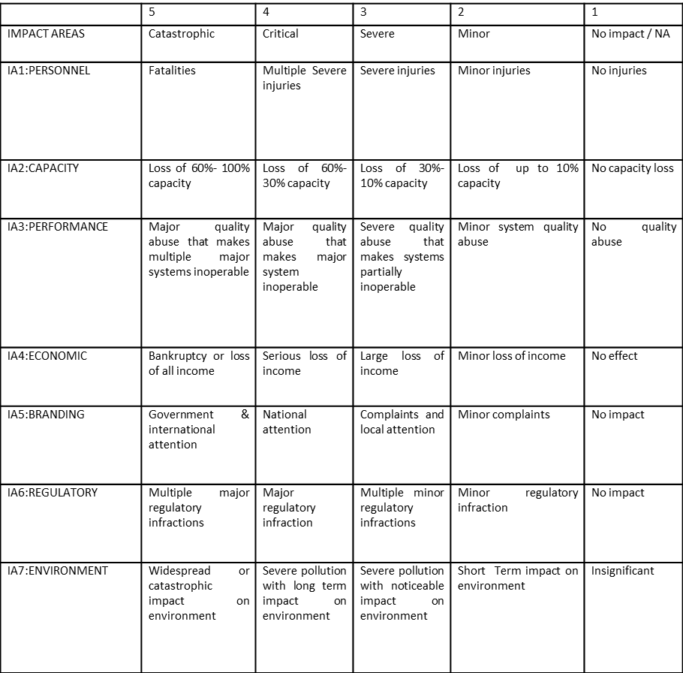
Step 1: Impact Assessment
1.2. Primary Asset Identification and Impact Assessment
Primary Asset Name | Potential Compromise of C, I or A: | Impact (see table below)
 |  | Personnel | Capacity | Performance | Economic | Branding | Regulatory | Environment | Overall Impact (1.2.1) | Justification
Primary Asset 1 Name | C |  |  |  |  |  |  |  | 0
 | I |  |  |  |  |  |  |  | 0
 | A |  |  |  |  |  |  |  | 0
Primary Asset 2 Name | C |  |  |  |  |  |  |  | 0
 | I |  |  |  |  |  |  |  | 0
 | A |  |  |  |  |  |  |  | 0
Primary Asset 3 Name | C |  |  |  |  |  |  |  | 0
 | I |  |  |  |  |  |  |  | 0
 | A |  |  |  |  |  |  |  | 0

Example Impact Classification

Step 4.2 Risk Level Evaluation
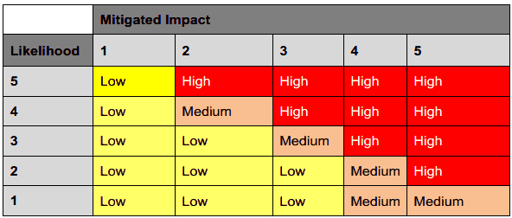
Supporting Assets(same as specified in step 2.1) | Threats (same as specified in step 3) | Reviewed Impact (same as specified in step 4.2) | Likelihood (see table below) | Risk level (see table below)
Supporting Asset 1 Name | Threat A | 0
 | Threat B | 0
 | Threat C | 0
Supporting Asset 2 Name | Threat X | 0
 | Threat Y | 0
… | …

